Notes
NOTES TO FINANCIAL STATEMENTS - TFI (drawn up for quarterly reporting periods) Name of the issuer: Atlantic Grupa d.d. Personal identification number (OIB): 71149912416 Reporting period: 1 January 2024 - 30 June 2024 Notes to financial statements for quarterly periods include: a) explanation of business events relevant to understanding changes in the statement of financial position and financial performance for the reporting semi-annual period of the issuer with respect to the last business year: information is provided regarding these events and relevant information published in the last annual financial statement is updated (items 15 to 15C IAS 34 - Interim financial reporting) b) information on the access to the latest annual financial statements, for the purpose of understanding information published in the notes to financial statements drawn up for the semi-annual reporting period c) a statement explaining that the same accounting policies are applied while drawing up financial statements for the semi-annual reporting period as in the latest annual financial statements or, in the case where the accounting policies have changed, a description of the nature and effect of the changes (item 16.A (a) IAS 34 - Interim financial reporting) d) a description of the financial performance in the case of the issuer whose business is seasonal (items 37 and 38 IAS 34 - Interim financial reporting) e) other comments prescribed by IAS 34 - Interim financial reporting f) in the notes to quarterly periods financial statements, in addition to the information stated above, inf

Non-consolidated financial results for the six-month period ended 30 June 2024 have been prepared in accordance with IAS 34 – Interim Financial Reporting, as endorsed by the European Union (EU). Non-consolidated financial results do not include all the information and disclosures required in the annual financial statements and should be read in conjunction with the Company’s annual financial statements as of 31 December 2023. The Company’s annual financial statements are prepared in accordance with International Financial Reporting Standards (IFRS) as endorsed by EU. Financial statements are available on Atlantic Grupa web-site: www.atlanticgrupa.com.
The accounting policies adopted in the preparation of the non-consolidated financial results for the six-month period ended 30 June 2024 are consistent with those followed in the preparation of the Company's annual financial statements for the year ended 31 December 2023.
The Company is not exposed to significant seasonal or cyclical changes in its operations.
Other disclosures prescribed by IAS 34 - Interim financial reporting that is not presented elsewhere in the statement of financial position, statement of comprehensive income, statement of cash flows and statement of changes in equity are disclosed in the non-consolidated financial results for the six-month period ended 30 June 2024.
Issuer’s name, registered office (address), legal form, country of establishment, entity’s registration number are disclosed in the sheet General data of this document and in the General information of non-consolidated financial results for the six-month period ended 30 June 2024.
Financial commitments in term of guarantees that are not included in the balance sheet are not material and Management Board believes that possibility of any outflow is remote. The Company has no commitments concerning pensions that are in scope of IAS 19.

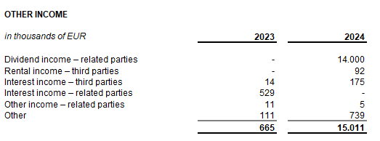
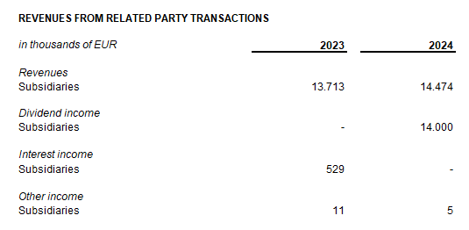

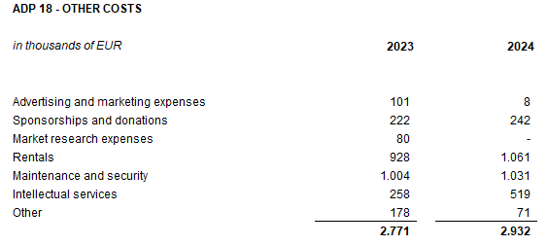
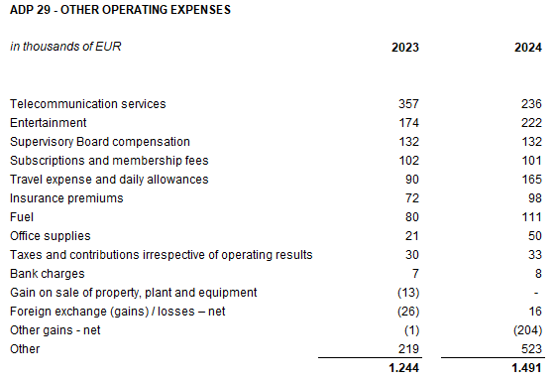

The Company enters into transactions with the related parties, owned by the Company, shareholders and other entities owned or controlled by the Company and ultimate controlling party. The table above shows related party transactions that relate to profit and loss account balances as at 30 June 2023 and as at 30 June 2024.
The company has no amounts owed falling due after more than five years. The company has no debt covered by valuable security.
In the six-month period ended 30 June 2024, the average number of employees in the Company was 183. The Company does not categorise employees.
No cost of salaries was capitalised in the six-month period ended 30 June 2024.
Provision for deferred tax, the deferred tax balances at the end of the current period, and the movement in those balances during the current period are shown below:
The Company no participating interest.
There were no shares subscribed during the current period within the limits of the authorised capital.
On June 17, 2024, the General Assembly of the company Atlantic Eurocenter d.o.o., was held, where the Resolution on the Acquisition by the company Atlantic Grupa d.d. was adopted. On May 14, 2024, the Court Register of the Commercial Court in Zagreb registered the acquisition, resulting in the cessation of existence of the company Atlantic Eurocenter d.o.o.. The acquisition did not result in any increase in the share capital of the Atlantic Grupa d.d. and the acquisition's effect is reflected in the Statement of the changes in equity under the line "Other changes in equity unrelated to owners".
The Company has no participation certificates, convertible debentures, warrants, options or similar securities or rights.
There were no shares subscribed during the current period within the limits of the authorised capital.
Issuer's consolidated financial statements are the largest group of companies. The majority owner of the Issuer is MYBERG d.o.o.
There are no material events arising after the balance sheet date which are not reflected in the profit and loss account or balance sheet.
Lease liabilties arising from the application of IFRS 16 are stated under ADP 103 and ADP 115, while right-of-use assets are stated under ADP 12 and ADP 14.
Provisions are stated within liabilities by maturity - long-term provisions are stated under ADP 107 and short-term under AOP 123. Long-term provisions at 30 June 2024 amount EUR 319 thousand (31 December 2023: EUR 233 thousand), and short-term provisions amount EUR 262 thousand (31 December 2023: EUR 1,545 thousand).

