Notes
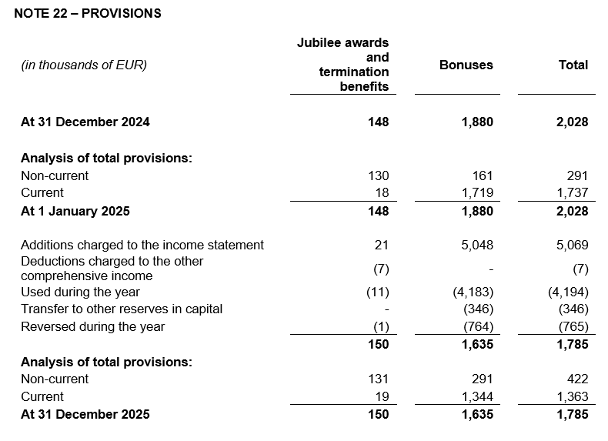
NOTES TO FINANCIAL STATEMENTS – AFS Name of the issuer: Atlantic Grupa d.d. Personal identification number (OIB): 71149912416 Reporting period: 1 January 2025 - 31 December 2025 Notes to the financial statements are to be drawn up in accordance with the International Financial Reporting Standards (hereinafter: IFRS) in such a way that they: a) present information about the basis for the preparation of the financial statements and the specific accounting policies used in accordance with the International Accounting Standard 1 (IAS 1), b) disclose any information required by IFRSs that is not presented elsewhere in the statement of financial position, statement of comprehensive income, statement of cash flows and statement of changes in equity, c) provide additional information that is not presented elsewhere in the statement of financial position, statement of comprehensive income, statement of cash flows and statement of changes in equity, but is relevant for understanding any of them. (d) in the notes to the financial statements, in addition to the information stated above, information in respect of the following matters shall be disclosed: 1. issuer’s name, registered office (address), legal form, country of establishment, entity’s registration number and, if applicable, the indication whether the issuer is undergoing liquidation, bankruptcy proceedings, shortened termination proceedings or extraordinary administration 2. adopted accounting policies 3. the total amount of any financial commitments, guarantees or contingencies that are not included in the balance sheet, and an indication of the nature and form of any valuable security which has been provided; any commitments concerning pensions of the issuer within the group or company linked by virtue of participating interest shall be disclosed separately 4. the amount of advances and credits granted to the members of the administrative, managerial and supervisory bodies, with indications of th

Financial statements have been prepared in accordance with International Financial Reporting Standards (IFRS) which were endorsed by the European Union (EU) under the historical cost convention.
The preparation of financial statements in conformity with IFRS which were endorsed by EU requires the use of certain critical accounting estimates. It also requires management to exercise its judgement in the process of applying the Company’s accounting policies. The areas involving a higher degree of judgement or complexity, or areas where assumptions and estimates are significant to the financial statements, are disclosed in the Note 4 of audited financial statements.
The Company has issued these separate financial statements in accordance with Croatian regulations. The Company has also prepared consolidated financial statements as at 31 December 2025 and for the year then ended in accordance with IFRS which were endorsed by the EU for the Company and its subsidiaries (the Group), which were approved by the Management Board on 30 March 2026. Users of these separate financial statements should read them together with the Group's consolidated financial statements as at and for the year ended 31 December 2025 in order to obtain full information on the financial position, results of operations and changes in financial position of the Group as a whole. Consolidated financial statements are published on the Company’s website (www.atlanticgrupa.com).
Information required by IFRSs that is not presented elsewhere in the statement of financial position, statement of comprehensive income, statement of cash flows and statement of changes in equity are disclosed in the Notes 3 to 26 of audited financial statements.
Issuer’s name, registered office (address), legal form, country of establishment, entity’s registration number are disclosed in the sheet General data of this document and in the Note 1 of audited consolidated financial statements.
Adopted accounting policies are explained in the Notes 2.2 to 2.23 of audited financial statements.
Financial commitments in term of guarantees that are not included in the balance sheet are not material and Management Board believes that possibility of any outflow is remote. The Company has no commitments concerning pensions that are in scope of IAS 19.
The Company has no advances and credits granted to the members of the administrative, managerial and supervisory bodies, as well as commitments entered into on their behalf by way of guarantees of any kind.

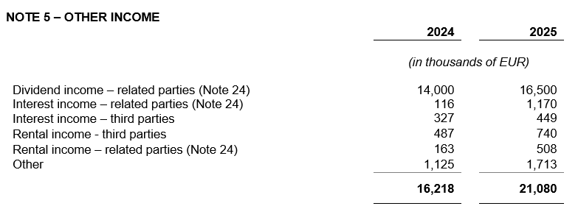
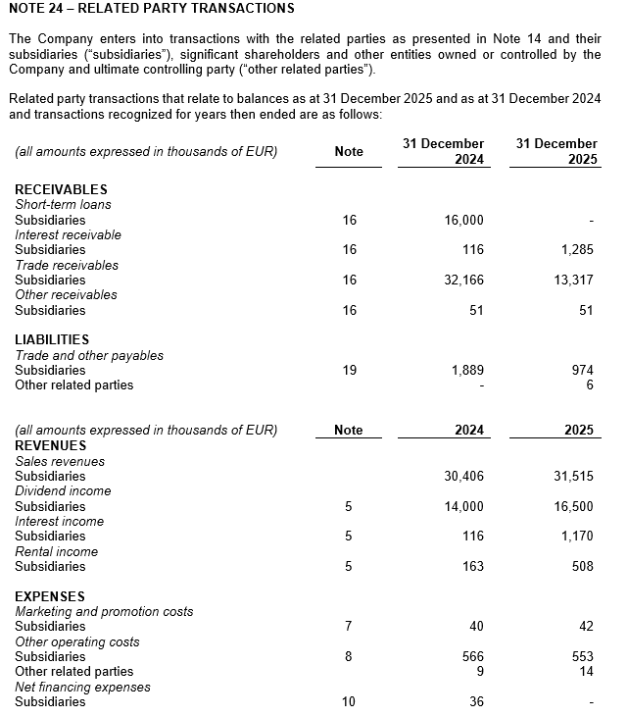

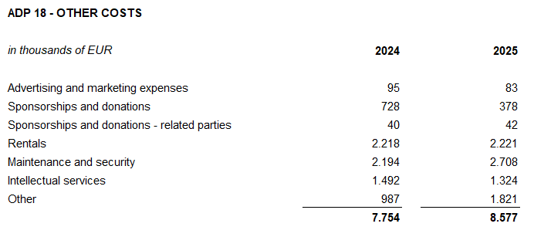
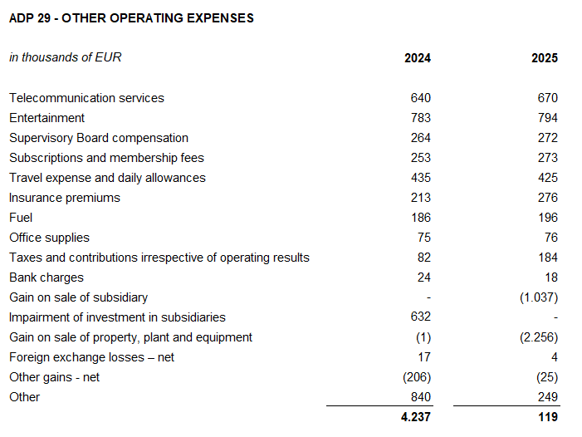

The Company has no debt falling due after more than five years.
As at 31 December 2025, bank borrowings include one short-term loan secured by the Company’s promissory note maturing on October 21, 2026. As at 31 December 2025 and 31 December 2024, there were no pledged property, plant and equipment as collateral for loan repayment.
In 2025, the average number of employees in the Company was 198 (2024: 188). The Company does not categorise employees.
No cost of salaries was capitalised in 2025.
In 2025 members of the Management Board received total gross amount of EUR 3,793 thousand relating to salaries, bonuses and other receipts in kind (2024: EUR 3,765 thousand).
Provision for deferred tax, the deferred tax balances at the end of the financial year, and the movement in those balances during the financial year are disclosed in the Note 21 of audited financial statements.
The Company has no participating interest.
There were no shares subscribed during the current period within the limits of the authorised capital.
There is no more than one class of shares.
The Company has no participation certificates, convertible debentures, warrants, options or similar securities or rights.
The Company has no shares in companies having unlimited liability.
The annual consolidated financial statements of the largest group of companies are prepared by MYBERG d.o.o., Zagreb.
The audited separate and consolidated financial statements for 2025 will be submitted to the Supervisory Board for examination and propose that the Supervisory Board give its approval at the meeting scheduled according to the published calendar of events (April 28, 2026). Following the decision of the Supervisory Board, the Company's Management Board will at the same time, at the meeting of the Supervisory Board scheduled according to the published calendar of events (April 30, 2026), initiate the Supervisory Board a proposal for a decision on the use of profits to take a stand. The decision of the Supervisory Board of the Company on approval of the annual reports and, consequently, the proposal of the Management Board and the Supervisory Board on the use of profits, will be published in accordance with Article 463, paragraph 4 of the Capital Market Act.
Related parties transactions are disclosed in the Note 24 of audited financial statements.
There are no material events arising after the balance sheet date that would have a significant impact on the Company's financial statements as at 31 December 2025 or for the year then ended.
Statutory audit services fees to the auditors of the separate and consolidated financial statements amounted to EUR 226 thousand (2024: EUR 212 thousand), while fees related to other services amounted to EUR 81 thousand (2024: EUR 81 thousand). Other services relate to ESG report and Report on remuneration of the Management Board and the Supervisory Board.
Lease liabilties arising from the application of IFRS 16 are stated under ADP 104 and ADP 116, while right-of-use assets are stated under ADP 12 to ADP 14.
Provisions are stated within liabilities by maturity - long-term provisions are stated under ADP 108 and short-term under AOP 124. Details of provisions are disclosed in the Note 22 of audited financial statements.

