Notes
NOTES TO THE ANNUAL FINANCIAL STATEMENTS - GFI Name of issuer: Croatia osiguranje d.d. Personal identification number (OIB): 26187994862 Reporting period: 1.1.2023 - 31.12.2023 Notes to the financial statements are to be drawn up in accordance with the International Financial Reporting Standards (hereinafter: IFRS) in such a way that they: a) present information about the basis for the preparation of the financial statements and the specific accounting policies used in accordance with the International Accounting Standard 1 (IAS 1), b) disclose any information required by IFRSs that is not presented elsewhere in the statement of financial position, statement of comprehensive income, statement of cash flows and statement of changes in equity, c) provide additional information that is not presented elsewhere in the statement of financial position, statement of comprehensive income, statement of cash flows and statement of changes in equity, but is relevant for understanding any of them. (d) in the notes to the financial statements, in addition to the information stated above, information in respect of the following matters shall be disclosed: 1. issuer’s name, registered office (address), legal form, country of establishment, entity’s registration number and, if applicable, the indication whether the issuer is undergoing liquidation, bankruptcy proceedings, shortened termination proceedings or extraordinary administration 2. adopted accounting policies 3. the total amount of any financial commitments, guarantees or contingencies that are not included in the balance sheet, and an indication of the nature and form of any valuable security which has been provided; any commitments concerning pensions of the issuer within the group or company linked by virtue of participating interest shall be disclosed separately 4. the amount of advances and credits granted to the members of the administrative, managerial and supervisory bodies, with indications of

NOTES TO THE FINANCIAL STATEMENTS – GFI

a)
In accordance with Accounting Act (Official Gazette 78/15, 134/15, 120/16, 116/18, 42/20, 47/20, 114/22, 82/23), the financial statements for 2023 have been prepared in accordance with International Financial Reporting Standards ('IFRS') as adopted in the European Union and in accordance with the Ordinance on the structure and content of the financial statements for insurance or reinsurance companies (Official Gazette 20/23). These are consolidated financial statements of the Group that also include separate financial statements of the Company (“Parent” of the Group) as defined in International Accounting Standard 27 “Separate Financial Statements” and International Financial Reporting Standard 10 “Consolidated financial statements”. The consolidated and separate financial statements have been prepared under the historical cost convention, as modified by the revaluation of land and buildings, investment property, available-for-sale financial assets i.e. financial assets at fair value through other comprehensive income and financial assets at fair value through profit and loss account, and by evaluating the estimated cash flows and contractual service margin when valuing insurance and reinsurance contracts. The preparation of financial statements in conformity with IFRS as adopted in the EU requires the use of certain critical accounting estimates. It also requires the Management Board to exercise its judgement in the process of applying the Group’s accounting policies. The areas involving a higher degree of judgement or complexity, or areas where assumptions and estimates are significant to the consolidated and separate financial statements, are disclosed in Note 2.31.

b)
Information required by IFRSs that is not presented elsewhere in the statement of financial position, statement of comprehensive income, statement of cash flows and statement of changes in equity, are dislosed in the notes to the audited financial statements for the year 2023.

c)
Additional information that is not presented elsewhere in the statement of financial position, statement of comprehensive income, statement of cash flows and statement of changes in equity, but is relevant for understanding any of them are dislosed in the notes to the audited financial statements for the year 2023.

d)
1.
CROATIA osiguranje d.d., Zagreb, Vatroslava Jagića 33 (parent company) is registered in the Court Register of the Commercial Court in Zagreb, Republic of Croatia, under the Company’s Court Reg. No. (“MBS”) 080051022 and PIN (“OIB”) 26187994862. The Company's principal activity is non-life and life insurance business together with activities that are related to insurance activities and reinsurance business in the non-life insurance segment.

2.
Adopted accounting policies are disclosed in in the notes 2.1. - 2.30. to the audited financial statements for the year 2023.

3.
As at 31 December 2023, the Group's contractual obligations for future investments amount to EUR 29,240 thousand based on binding bids for investments in venture capital funds (31 December 2022: EUR 44,862 thousand).

4.
The Group has no advances and credits granted to members of administrative, managerial and supervisory bodies, as well as commitments entered into on their behalf through by way of guarantees of any kind.

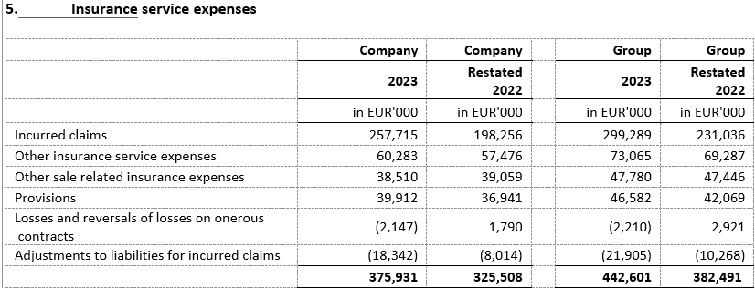
5.
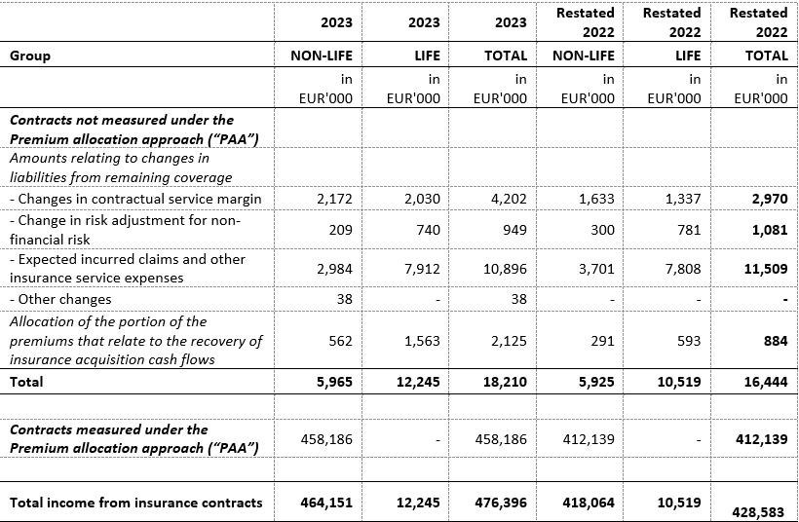

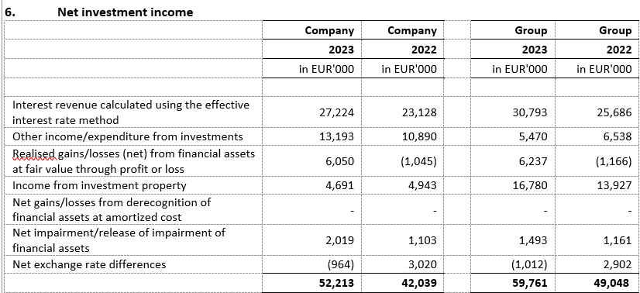

6.
The structure of liabilities as at 31 December 2023 and 31 December 2022 was as follows:

7.
The average number of employees of the Group during the current period is 3,786.

8.
The Group capitalized costs of net salaries in the amount of EUR 323 thousand (2022: EUR 539 thousand), costs of contributions from salaries in the amount of EUR 93 thousand (2022: EUR 151 thousand), costs of taxes and surcharges from salaries in the amount of EUR 71 thousand (2022: EUR 91 thousand), costs of contributions to salaries in the amount of EUR 73 thousand (2022: EUR 116 thousand) and other costs of employees in the amount of EUR 26 thousand (2022: EUR 140 thousand).

9.
Key management compensation includes gross salary, life insurance premiums, benefits in kind, bonuses in cash and shares of the parent company, termination benefits and compensation of the Supervisory Board. The remuneration of key management in the note above includes provisions for bonuses for 2023 and 2022. The paid bonuses of key management for 2023 amount to EUR 1,649 thousand for the Company (2022: EUR 1,129 thousand) and include EUR 1,078 thousand of bonus paid in shares of the parent company, and for the Group EUR 1,935 thousand (2022: EUR 1,428 thousand) and include EUR 1,106 thousand of bonus paid in shares of the parent company.

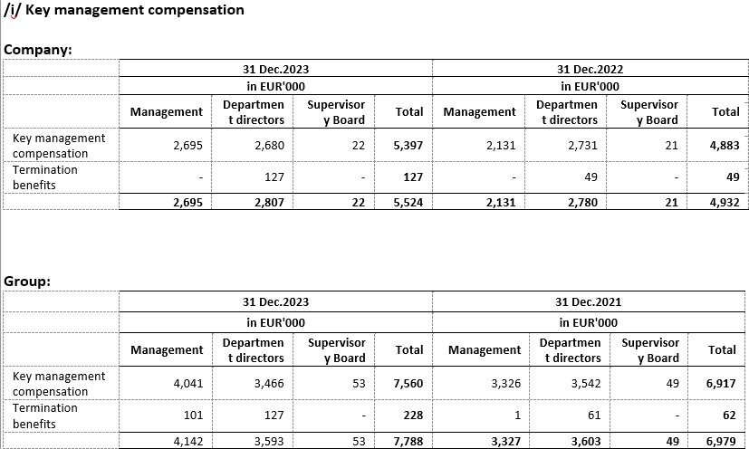

10.
The average number of employees of the Group during the current period is 3,786. The breakdown of staff costs is dislosed in notes 5.1 and 10 to the audited financial statements for the year 2023.

11.
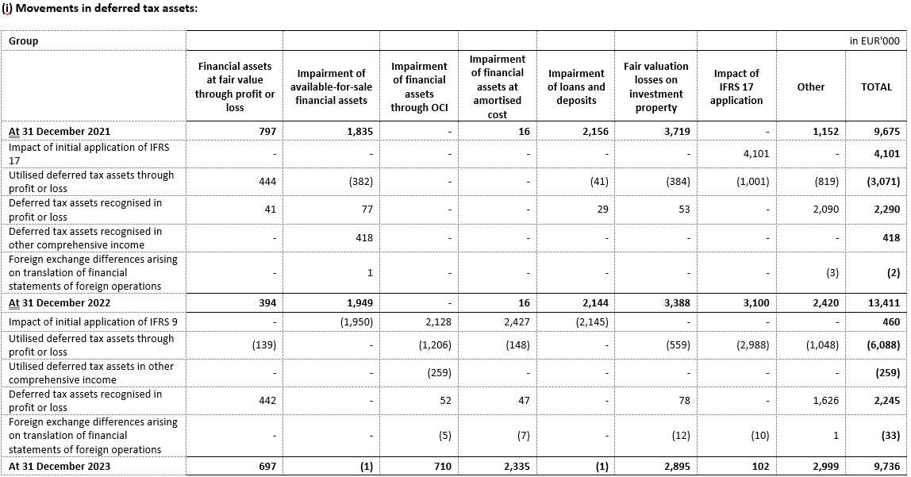

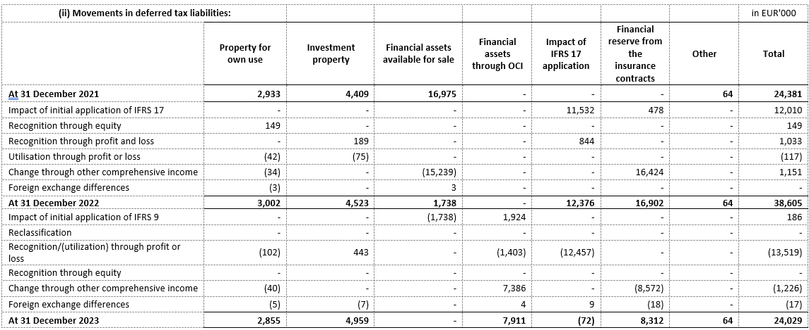

12.
In consolidation, the equity method is used for the valuation of investments in associates Agroservis - STP d.o.o., Virovitica (37%) and joint venture PBZ CROATIA osiguranje d.d. (50.0%). The following is a summary of financial information for PBZ CROATIA osiguranje d.d. for the last year for which the annual financial statements have been adopted and which have been presented for the Group using the equity method.

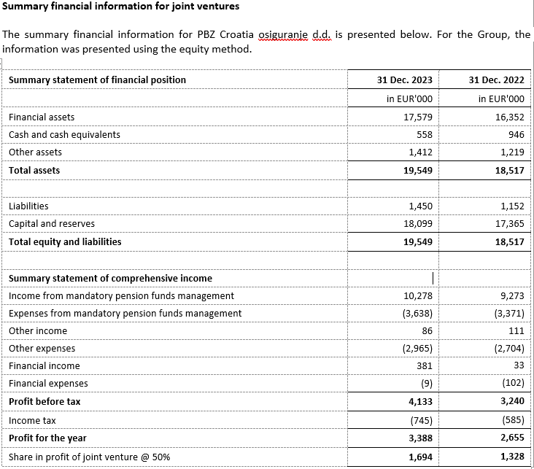

13.
There were no transactions of subscription of shares during the financial year within the limits of the authorised capital. Based on the provisions of the Act on the introduction of the euro as the official currency in the Republic of Croatia and the provisions of the Companies Act, the Company proposed at the general assembly a decision on the adjustment of the share capital and the nominal amount of the Company's shares in such a way as to increase the amount of the nominal value of the share from EUR 185.81, obtained by conversion into euros using a fixed conversion rate with rounding to the nearest cent, to the amount of EUR 186.00.The aforementioned increase in the nominal amount of the share is carried out in order to round the nominal amount of the shares to a whole number, as prescribed by Article 163, paragraph 4 of the Companies Act.

14.

15.
The Group has no participation certificates, convertible debentures, warrants, options or similar securities or rights.

16.
The Group has no shares in companies having unlimited liability.

17.
CROATIA osiguranje d.d. is majorly owned by ADRIS GRUPA d.d., Rovinj and is included in the consolidated financial statements of ADRIS GRUPA d.d. which are available on the website of ADRIS GRUPA d.d.

18.
The largest group of undertakings of which the undertaking forms part as a controlled group member is also the only group in which the undertaking forms part as a controlled group member.

19.
Financial statements are available on the Internet page adris.hr
...
23.
An overview of the Group's revenues by geographical area is shown below:
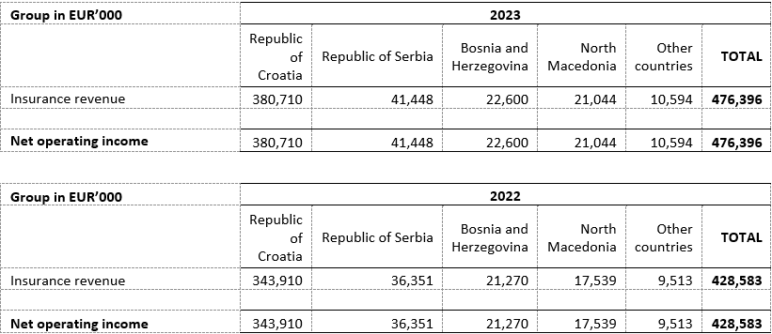

24.
The auditors of the Group’s financial statements have provided services in 2023 in the amount of EUR 571 thousand plus value added tax (2022: EUR 867 thousand plus value added tax). The Company was provided services in the amount of EUR 383 thousand plus value added tax (2022: EUR 663 thousand plus value added tax). Services in 2023 and 2022 relate to the costs of the statutory audit of annual financial statements and related audit services. During 2023, PricewaterhouseCoopers d.o.o. (“PwC”) provided educational services while in 2022 it provided educational and advisory services. During 2023 and 2022, Deloitte d.o.o. provided permitted tax advisory services.
...

