Notes
NOTES TO FINANCIAL STATEMENTS - TFI (drawn up for quarterly reporting periods) Name of the issuer: DALEKOVOD D.D. Personal identification number (OIB): 47911242222 Reporting period: 01.01.2022-31.12.2022
Dalekovod Joint Stock Company for Engineering, Production and Construction Marijana Čavića 4, 10 000 Zagreb, Croatia, 10001 Zagreb, P.P. 128 URL: www.dalekovod.hr, www.dalekovod.com E-mail: dalekovod@dalekovod.hr Share capital: HRK 412,471,930.00/54,744,432.94 eur. Number of shares: 41.247,193 IBAN: HR8323600001101226102 ZABA Zagreb Company registration number (MBS): 080010093, Commercial Court in Zagreb Registration number (MB): 3275531 Personal identification number (OIB): 47911242222 Activity code: 4222 (Construction of electricity and telecommunication lines)
Basic information MANAGEMENT Tomislav Rosandić – President of the Board Tvrtko Zlopaša – Member of the Board Ivan Kurobasa – Member of the Board Eugen Paić-Karega – Member of the Board SUPERVISORY BOARD Gordan Kolak (President of the Board), Josip Jurčević (Vice President of the Board ), Josip Lasić (Member ), Božidar Poldrugač (Member ), Damir Spudić (Member), Pavao Vujnovac (Member) Dražen Buljić (Member).
Basic Information (continued) Products and services Dalekovod Inc. Over time, he specialized in performing turnkey contracts in the following areas: • electricity facilities, especially transmission lines from 0.4 to 750 kV • transformer stations of all levels and voltage levels up to 500 kV • air, underground and underwater cables up to 110 kV • telecommunication facilities, all types of networks and antennas • production of suspension and connecting equipment for transmission lines and substations from 0.4 to 750 kV • manufacture and installation of all metal parts for roads, especially for road lighting, guardrails and traffic signals, tunnel lighting and traffic management • electrification of railways and trams Changes in the Statments of Financial Position and Profit and Loss The most significant business endeavours related to changes in the Statments of Financial Position and Profit and Loss for the reporting quarterly period of the issuer in relation to the last fiscal year are described in the Management Board's Report published with these financial reports. Access to financial reports The revised annual financial reports for the Company and the Group for 2021 have been published on the Company's website (www.dalekovod.hr) and the Zagreb Stock Exchange (eho.zse.hr).
Accounting policies The accounting policies of the Company and the Group that are applied when preparing the financial reports for 2022 are the same as the accounting policies that were applied in the annual financial report for 2021. Business result An interpretation of the business results of the Company and the Group is given in the Management Board's Report which is attached to these financial reports.
Contingent liabilities and commitments As of December 31, 2022, the Group has concluded contracts whose execution has begun, but has not been completed. The assumed obligations that should arise under these contracts are estimated at HRK 1,732,652 thousand. As on 31 December 2022, the Group and the Company were subject to contingent liabilities on account of issued bank guarantees (as an instrument for payment insurance and insurance of quality of performed works) in the total amount of HRK 393,552 thousand and HRK 331,217 thousand (as on 31 December 2021: Group - HRK 419,573 thousand and the Company - HRK 386,650 thousand) As its subsidiaries’ co-debtor, the Company is additionally subject to a liability of HRK 48,809 thousand (as on 31 December 2021: HRK 43,515 thousand). The Group and the Company estimate that it is not probable that the contingent liabilities on account of bank guarantees will be collected since the Group and the Company, just as in the previous periods, have been meeting all their project-related contractual obligations. During regular business operations, the Group was involved in several court proceedings, either as the plaintiff or the respondent. Based on the opinion of the Management Board and the legal consultant, reservations have been made for those disputes that could potentially result in a loss. In addition to the disputes for which reservations have been made, there are also court proceedings which, in the opinion of the Board and the legal consultant will not result in a loss.
Income and expenses All significant changes in the income and expenses of the Company and the Group are stated in the Management Board's Report which is attached to these financial reports. Borrowings The amount of loans and other borrowings of the Company and the Group is described in more detail and presented in the Management Board's Report which is attached to these financial reports. Employees As of 31 December 2022, the Company had 700 employees, while the Group had 1,088 employees.
Expense capitalisation In the 2022, the Company and the Group did not capitalise salary expenses. Deferred tax asset and liability The Company and the Group have stated all deferred tax assets in the Financial Position Report and there has been no change in that matter compared to the previous period. Capital As on 31 December 2022, the capital was divided in 41,247,193 shares with a nominal value of HRK 10 per share.
As of 31 December 2022, the shareholder structure is as follows:
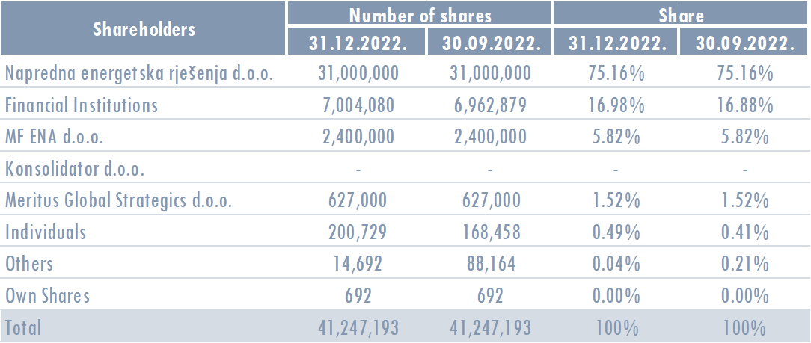
Merger, acquisition, sale, establishment In the first half of 2022, a branch was established in Germany and the share in the associated company Officium partner d.o.o. was sold. There were no other mergers, acquisitions, sales or foundings. Uncertainty In the 2022, there were no identified items of suspicious and controversial receivables that could affect the business continuity of the Company and the Group.
Events after the balance sheet date From 1 January 2023 until the reporting date, there were no events requiring disclosure.
Other disclosures Other disclosures related to the understanding and interpretation of these reports are set out in the Management Board's Report which is attached to these financial reports.
List of related companies and entrepreneurs The list of related companies and entrepreneurs is given in the Management Board's Report which is attached to these financial reports. The amount of capital for each related company in which Dalekovod d.d. has a stake or company owned by a subsidiary.

