Notes
NOTES TO FINANCIAL STATEMENTS - TFI (drawn up for quarterly reporting periods) Name of the issuer: DALEKOVOD D.D. Personal identification number (OIB): 47911242222 Reporting period: 01.01.2025-31.03.2025
Dalekovod Joint Stock Company for Engineering, Production and Construction Marijana Čavića 4, 10 000 Zagreb, Croatia, 10001 Zagreb, P.P. 128 URL: www.dalekovod.hr, www.dalekovod.com E-mail: dalekovod@dalekovod.hr Share capital: HRK 412,471,930.00/54,744,432.94 eur. Number of shares: 41.247,193 IBAN: HR8323600001101226102 ZABA Zagreb Company registration number (MBS): 080010093, Commercial Court in Zagreb Registration number (MB): 3275531 Personal identification number (OIB): 47911242222 Business code: 71.12 (Engineering and related technical consulting)
Basic information MANAGEMENT Eugen Paić-Karega – President of the Board Tvrtko Zlopaša – Member of the Board SUPERVISORY BOARD Gordan Kolak (President of the Supervisory Board), Mario Radaković (Deputy Chairman of the Supervisory Board), Ivan Paić (Member of the Supervisory Board), Dražen Buljić (Member of the Supervisory Board), Miki Huljić (Member of the Supervisory Board).
Basic Information (continued) Products and services Dalekovod Inc. Over time, he specialized in performing turnkey contracts in the following areas: • electricity facilities, especially transmission lines from 0.4 to 750 kV • transformer stations of all levels and voltage levels up to 500 kV • air, underground and underwater cables up to 110 kV • telecommunication facilities, all types of networks and antennas • production of suspension and connecting equipment for transmission lines and substations from 0.4 to 750 kV • manufacture and installation of all metal parts for roads, especially for road lighting, guardrails and traffic signals, tunnel lighting and traffic management • electrification of railways and trams Changes in the Statments of Financial Position and Profit and Loss The most significant business endeavours related to changes in the Statments of Financial Position and Profit and Loss for the reporting quarterly period of the issuer in relation to the last fiscal year are described in the Management Board's Report published with these financial reports. Access to financial reports The revised annual financial reports for the Company and the Group for 2024 have been published on the Company's website (www.dalekovod.hr) and the Zagreb Stock Exchange (eho.zse.hr).
Accounting policies The accounting policies of the Company and the Group applied when preparing the financial statements for 2025 are the same as the accounting policies that were applied in the annual financial statements for 2024. Business result An explanation of the business results of the Company and the Group is given in the Management Board's Report, which is attached to these financial statements.
Contingent liabilities and commitments As at 31 March 2025, the Group has concluded contracts whose execution has begun but has not been completed. The revenues to be generated under these contracts are estimated at 425 million euros. As at 31 March 2025, the Group and the Company were exposed to potential liabilities based on issued bank guarantees (as a means of securing collection, security of the quality of the works performed) in the total amount of EUR 99,975 thousand and EUR 85,165 thousand (as of 31.12.2024: EUR 92,503 thousand of the Group and EUR 78,408 thousand of the Company). The company is additionally exposed as a co-debtor of subsidiaries in the total amount of EUR 13,410 thousand (as of 31.12.2024: EUR 12,552 thousand). During the period, there was a collection under the guarantee from the investor Mepso in the amount of EUR 780 thousand per project for the construction of the Skopje – Veles transmission line. We believe that the pre-trial collection is unfounded and the conciliation process is underway. With regard to other exposures, the Group and the Company estimate that it is not certain that potential liabilities based on bank guarantees will be collected, given that the Group and the Company, as in previous periods, are fulfilling contractual obligations on the basis of projects. In the ordinary course of business, the Group has had several litigation, either as a plaintiff or as a defendant. In the opinion of the Management Board and the legal advisor, the reservation was made for those disputes that will potentially result in a loss. In addition to the disputes for which the reservation has been created, there are also court disputes that, in the opinion of the Management Board and the legal advisor, will not result in losses.
Income and expenses All significant changes in the revenues and expenses of the Company and the Group are listed in the Management Board's Report, which is attached to these financial statements. Borrowings The amount of loans and other borrowings of the Company and the Group is described in more detail and presented in the Management Board's Report, which is attached to these financial statements. Employees As of March 31, 2025, the Company employed 727 people, while the Group employed 1,126 people.
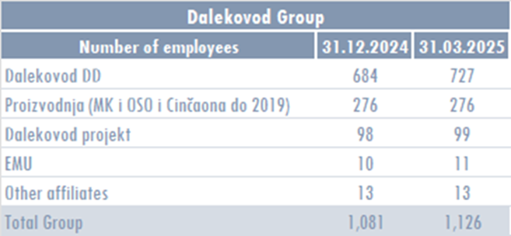
Expense capitalisation In the first three months of 2025, the Company and the Group did not capitalize on wage costs. Deferred tax asset and liability The Company and the Group have deferred tax assets as part of the Financial Position Report, and there was no change in the same compared to the previous period. Capital As of March 31, 2025, the capital was divided into 41,247,193 shares with a nominal value of EUR 1.00 per share.
The shareholder structure as of 31 March 2025 is as follows:
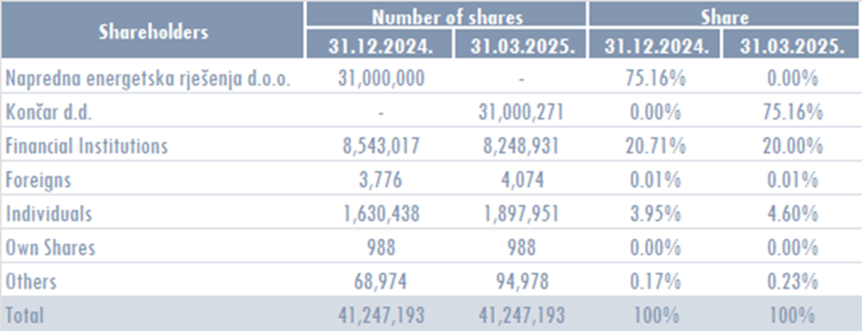
Merger, acquisition, sale, establishment In the first three months of 2025, there were no mergers, mergers and establishments. Uncertainty In the first three months of 2025, there were no identified items of suspicious and disputed receivables that affect the business continuity of the Company and the Group.
Events after the balance sheet date There have been no events that require publication.
Other publications Other disclosures related to the understanding and interpretation of these reports are listed as part of the Management Board's Report, which is attached to these financial statements.
List of related companies and entrepreneurs The list of related companies and entrepreneurs is given in the Management Board's Report which is attached to these financial reports. The amount of capital for each related company in which Dalekovod d.d. has a stake or company owned by a subsidiary.

