Cover
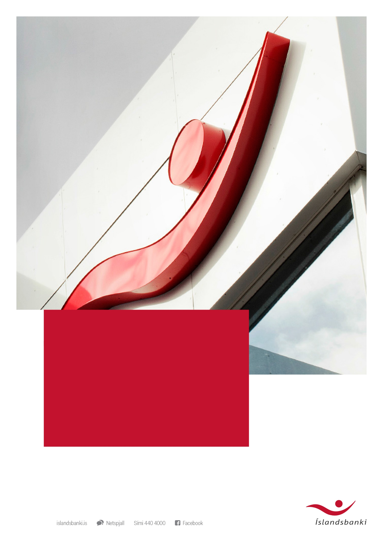

ÍSLANDSBANKI FACTBOOK
30.09.2016
Supplementary information for market participants
(Unaudited)

Investor Relations
Contents

Investor Relations

IR Contact

Tinna Molphy
Head of Investor Relations

Phone: +354 440 3187
tinna.jonsdottir.molphy@islandsbanki.is

Investor relations web-site
https://www.islandsbanki.is/english/investor-relations/

Financial Calendar

Date | Event

13-23 February 2016 | Silent period
23 February 2016 | 4Q15
11 May 2016 | 1Q16
22 August 2016 | 2Q16
9 November 2016 | 3Q16
24 February 2017 | 4Q16

Please note that the dates are subject to change.

Investor relations calendar web-site
https://www.islandsbanki.is/english/investor-relations/calendar/

